1. Title Page
Instancart Basket Analysis

Project Name: Instancart Basket Analysis
Date: 09/21/2022
Analyst Name: Gerald Yuen

Contents:
Population Flow
Consistency checks
Wrangling steps
Column derivations
Visualizations
Recommendations

Citation
“The Instacart Online Grocery Shopping Dataset 2017”, Accessed from https://www.instacart.com/datasets/grocery-shopping-2017 on 7/27/2022.

2. Population Flow
Title page

Population flow

Exclusion flag
Condition: max_order <
Obervations to be removed:
Final total count of order_products_all:

Orders_products_combined
Orders_products_merged
Orders_products_all

Total: 32404859
Total: 32434489
Total: 32404859

1.) The grey boxes in the first row of the population flow represent the original data sets as they were when you downloaded them. In the Total fields you need to add the count of the rows when you imported the data set into Jupyter.
2.) The second row of boxes (coloured) represents the data sets after you manipulated them, e.g., removed missing values and duplicates. In the Total fields you need to add the count of the rows after conducting these operations. This offers a visual oveview of how the data flows throughout the data consistency checks.
3.) The third row, where also the arrows are coloured, represents the merges you performed between the datasets. In the Total fields you need to add the count of the rows in the merged datasets, so that you end up with the final dataset (in the red box). Keep in mind the final dataset should be without exclusions (based on the exclusion flag).

3. Consistency checks
 |  |  |  | Title page
Consistency checks

Dataset | Missing values | Missing values treatment | Duplicates
orders | NaN due to first purchase | ignored | no duplicates
products | 16 NaN | NaN data deleted | 5 duplicates deleted
orders_products_prior | no missing value | N/A | no duplicates
customers | NaN in first name columns | ignored | no duplicates
department_id | Transposted | Transposted | no duplicates
users - subset | no missing value | N/A | kept first row with ('user_id', 'income', 'age')

4. Wrangling steps
 |  |  |  | Title page
Wrangling steps

Columns dropped | Columns renamed | Columns' type changed | Comment/Reason
 | order_dow > order_day_of_the_week |  | name was unclear
 | First Name > first_name |  | clearifcation and consistancy with other columns
 | Surnam > last_name |  | clearifcation and consistancy with other columns
 | Gender > gender |  | clearifcation and consistancy with other columns
 | STATE > state |  | clearifcation and consistancy with other columns
 | Age > age |  | clearifcation and consistancy with other columns
 | n_dependants > nb_dependants |  | clearifcation and consistancy with other columns
 |  | user_id to int | making sure same type when merge
 |  | order_id to int | making sure same type when merge
 |  | order_number | reduce to save memory
 |  | order_day_of the_week | reduce to save memory
 |  | order_hour_of_day | reduce to save memory
 |  | days_since_prior_order | reduce to save memory
 |  | product_id | reduce to save memory
 |  | add_to_cart_order | reduce to save memory
 |  | reordered | reduce to save memory
 |  | aisle_id | reduce to save memory
 |  | departmant_id | reduce to save memory
 |  | prices | reduce to save memory
 |  | max_order | reduce to save memory
 |  | spending_power | reduce to save memory
 |  | frequency | reduce to save memory

5. Column derivations
 |  |  |  | Title page

Column derivations and aggregations

In this tab you should add tables below that the frequences of flags/label variables that you produced after deriving them. NB: don't do this for continuous variables, only for flags.
Dataset | New column | Column/s it was derived from | Conditions
orders_products_merged | price_range | prices | If price <= $5, it will be labeled a “low-range product.” If price > $5 but l<= $15, it will be labeled a “mid-range product.” If price > $15, it will be labeled a “high-range product.”
 | busiest_day | order_day_of_the_week | if day 0 - 'busiest day', if day 4 - 'least busy', else-'regularly busy'
 | busiest_days | order_day_of_the_week | if day 0 or 1- 'busiest days', if day 4 or 3- 'least busy', else-'regularly busy'
 | max_order | customer_id, order_number | maximum orders per customer
 | loyalty_flag | max_order | if max_order>40, customer is 'loyal customer', if max_order<=40 and>10, then customer is 'regular customer', if max_order<=10 then customer is 'new customer'.
 | spending_flag | average_price | if average_price<10, then customer is 'low spender', if average_price>=10, then customer is 'high spender'
ords_prods_custs | region | state | create a list of region (Northeast, midwest, south, west) based on the condtion on the Wikipedia website: https://simple.wikipedia.org/wiki/List_of_regions_of_the_United_States
Q5 | age_group | age | If age <=20, it will be labeled as "20 and younger" If age is >20 and <=40, it will be labeled as "21-40" If age is >40 and <=60, it will be labeled as "41-60" If age is >60, it will be labeled as "60+"
users | income_group | income | If income <=20000, it will be labeled as "$20,000 and less" If income is >20001 and <=40000, it will be labeled as "$20,001-$40,000" If income is >40000 and <=60000, it will be labeled as "$40,001-$60,000" If income is >60000, it will be labeled as "$60,001 and more"

6. Visual and Recommandation
 |  |  |  |  |  | Title page

Visualisations

In this tab you should include all the visualtions from Exercises 4.9 and 4.10, alongside the questions from the project brief that they answer. Include any commentary on the relationship between different variables.

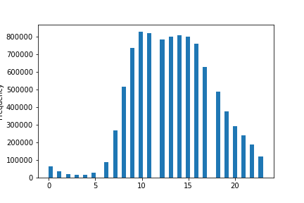
● The sales team needs to know what the busiest days of the week and hours of the day are (i.e., the days and times with the most orders) in order to schedule ads at times when there are fewer orders.
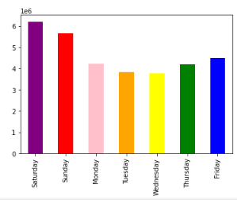

 |  | days of the week |  |  | Hours of the day

 | Friday to Sunday are busier than the rest of the days and hour-wise 10am to 3pm are the busiest time. Suggestion to schedule ads would be from Monday to Thursday after 3pm.

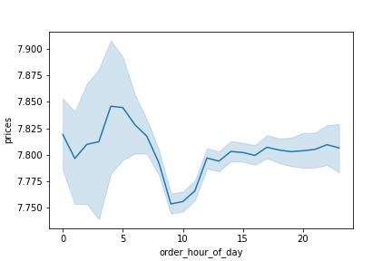
● They also want to know whether there are particular times of the day when people spend the most money, as this might inform the type of products they advertise at these times.

From the line chart, the highest sales is between 4am to 5am. Therefore, marketing can look into it and sell more products.

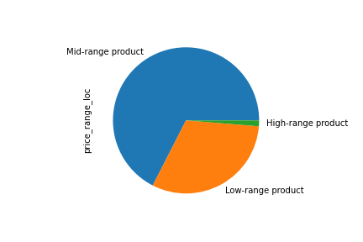
● Instacart has a lot of products with different price tags. Marketing and sales want to use simpler price range groupings to help direct their efforts.

product range are set to the following: product range are set to the following:
If price <= $5, it will be labeled a “low-range product.” If price > $5 but l<= $15, it will be labeled a “mid-range product.” If price > $15, it will be labeled a “high-range product.”

The pie chart shows there is not a lot of high-range product. Since the company wants to sell more high-range product, the company can find more high-range product to sell.

● Are there certain types of products that are more popular than others? The marketing and sales teams want to know which departments have the highest frequency of product orders.

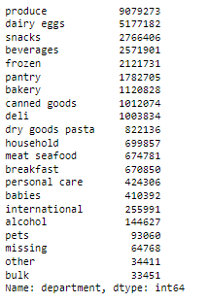
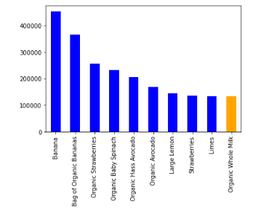

Produce is the department with the highest produtct orders. In fact, top 9 out of 10 product are under department "produce" and the 10th item is "Organic Whole Milk" from department "dairy eggs"

● The marketing and sales teams are particularly interested in the different types of customers in their system and how their ordering behaviors differ. For example:
● What’s the distribution among users in regards to their brand loyalty (i.e., how often do they return to Instacart)?

 | ** Are there differences in ordering habits based on a customer’s loyalty status?
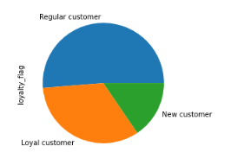
Data shows majority of the customers are "regular customer" meaning they tend to have max order between 11 - 40. "loyal customers" are 2/3 of the data meaning they tend to have over 40 max order. The remaining data are "New customer" meaning the max order is 10 and under.
We can focus to see what the customer buy and improve the order rate and increase the "loyal customer" portion.

 | ** Are there differences in ordering habits based on a customer’s region?
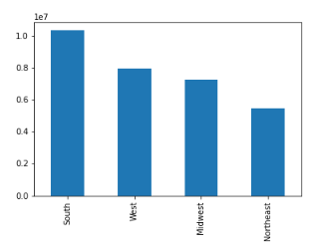

Region with the most customers are South, following with West, Midwest and Northeast.
Marketing can focus on South region for higher revenue.

 | ** Is there a connection between age and family status in terms of ordering habits?

Based on family status, "married status is a big part of the customer scheme and married frequent customers are over 14 millions.
Based on age_group, 21 years old and over tend to have a more even out frequent customer than 20 years old and younger.
it would be a good idea to target married customers who are 21 year old and older.
 | fam_status | Non-frequent customer | Regular customer | frequent customer
 | divorced/widowed | 243,934 | 582,214 | 1,819,123
 | living with parents and siblings | 138,646 | 312,012 | 1,030,514
 | married | 2,039,823 | 4,815,063 | 14,888,825
 | single | 472,572 | 1,155,824 | 3,466,014

 | age_group | Non-frequent customer | Regular customer | frequent customer
 | 20 and younger | 123,052 | 303,984 | 975,705
 | 21-40 | 825,827 | 2,046,248 | 6,477,771
 | 41-60 | 815,423 | 2,040,314 | 6,500,010
 | 61+ | 864,346 | 2,127,371 | 6,755,786

